Sheet1
 | Mens Bata Bullets Classic Black Low Top Canvas

US SIZE |  | 5 | 5.5 | 6 | 7 | 7.5 | 8 | 9 | 10 | 11 | 12 | 13
EUROPEAN SIZE | 35 | 36 | 37 | 38 | 39 | 40 | 41 | 42 | 43 | 44 | 45 | 46 | Grand Total
Qty | 19 | 54 | 54 | 33 | 38 | 95 | 97 | 39 | 16 | 28 | 7 | 26 | 506
Style #
889-6104

 | Mens Bata Bullets Classic Blue Low Top Canvas

US SIZE |  | 5 | 5.5 | 6 | 7 | 7.5 | 8 | 9 | 10 | 11 | 12 | 13
EUROPEAN SIZE | 35 | 36 | 37 | 38 | 39 | 40 | 41 | 42 | 43 | 44 | 45 | 46 | Grand Total
Qty | 6 | 23 | 51 | 44 | 48 | 88 | 92 | 85 | 66 | 41 | 27 | 7 | 578
Style #
889-9104

 | Mens Bata Bullets White Low Top with Blue Foxing
US SIZE |  | 5 | 5.5 | 6 | 7 | 7.5 | 8 | 9 | 10 | 11 | 12 | 13
EUROPEAN SIZE | 35 | 36 | 37 | 38 | 39 | 40 | 41 | 42 | 43 | 44 | 45 | 46 | Grand Total
Qty | 4 | 8 | 50 | 48 | 39 | 75 | 75 | 59 | 51 | 27 | 15 | 6 | 457
Style #
889-1101

 | Mens Green Low Top Wool with Leather Trim
US SIZE |  | 5 | 5.5 | 6 | 7 | 7.5 | 8 | 9 | 10 | 11 | 12 | 13
EUROPEAN SIZE | 35 | 36 | 37 | 38 | 39 | 40 | 41 | 42 | 43 | 44 | 45 | 46 | Grand Total
Qty |  | 29 | 58 | 87 | 87 | 75 | 63 | 50 | 51 | 34 | 17 | 15 | 566
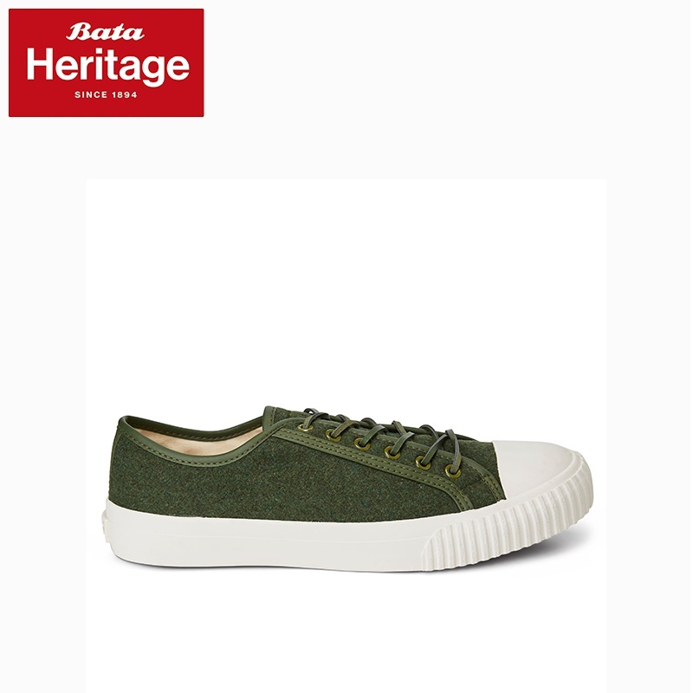
Style #
880-7101

 | Mens Brown Low Top Leather
US SIZE |  | 5 | 5.5 | 6 | 7 | 7.5 | 8 | 9 | 10 | 11 | 12 | 13
EUROPEAN SIZE | 35 | 36 | 37 | 38 | 39 | 40 | 41 | 42 | 43 | 44 | 45 | 46 | Grand Total
Qty |  | 47 | 93 | 141 | 141 | 97 | 51 | 11 | 8 | 6 | 3 | 16 | 614
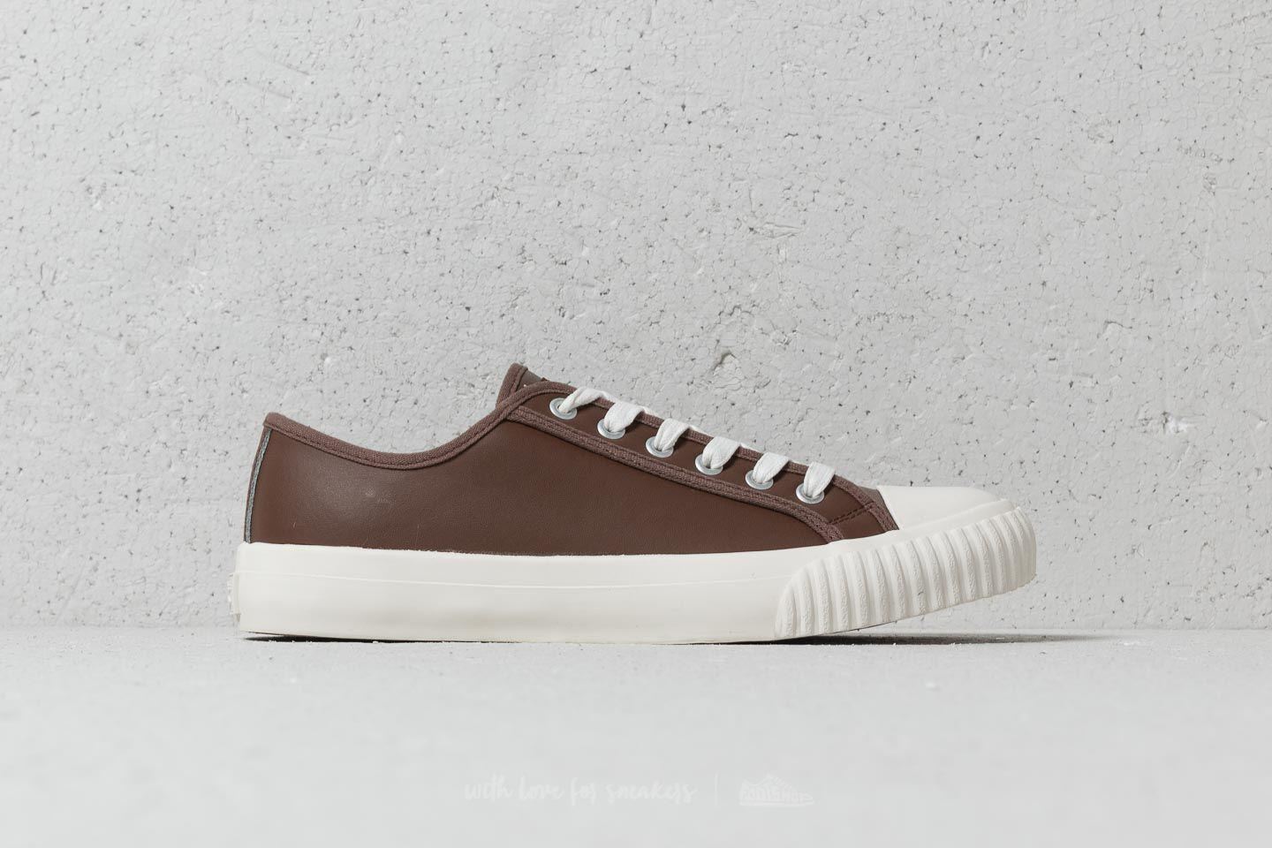
Style #
880-4101

 | Mens Red and Blue Tartan Low Top Wool with Leather Trim
US SIZE |  | 5 | 5.5 | 6 | 7 | 7.5 | 8 | 9 | 10 | 11 | 12 | 13
EUROPEAN SIZE | 35 | 36 | 37 | 38 | 39 | 40 | 41 | 42 | 43 | 44 | 45 | 46 | Grand Total
Qty |  | 23 | 45 | 69 | 72 | 69 | 68 | 63 | 66 | 44 | 18 |  | 537
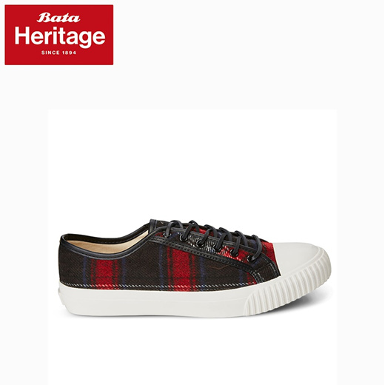
Style #
880-5101

 | Mens Grey Herringbone High Top Wool with Leather Trim
US SIZE | 5 | 5.5 | 6 | 7 | 7.5 | 8 | 9 | 10 | 11 | 12 | 13
EUROPEAN SIZE | 36 | 37 | 38 | 39 | 40 | 41 | 42 | 43 | 44 | 45 | 46 | Grand Total
QTY | 14 | 27 | 43 | 45 | 67 | 86 | 109 | 98 | 70 | 32 | 13 | 604
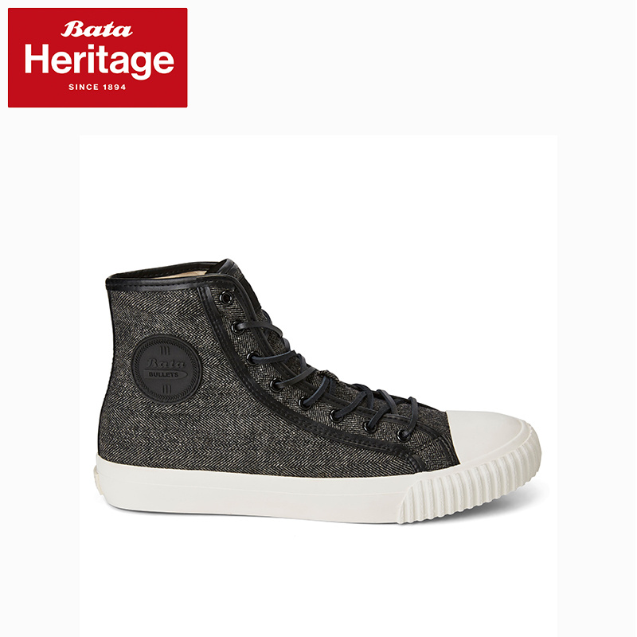
Style #
800-2101

 | Mens Red Wine High Top Wool with Leather Trim
US SIZE | 5 | 5.5 | 6 | 7 | 7.5 | 8 | 9 | 10 | 11 | 12 | 13
EUROPEAN SIZE | 36 | 37 | 38 | 39 | 40 | 41 | 42 | 43 | 44 | 45 | 46 | Grand Total
QTY | 14 | 27 | 42 | 42 | 67 | 92 | 117 | 117 | 78 | 39 | 15 | 650
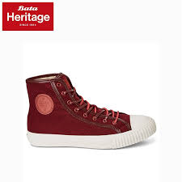
Style #
800-5101

 | Mens Grey Low Top Wool
US SIZE |  | 5 | 5.5 | 6 | 7 | 7.5 | 8 | 9 | 10 | 11 | 12 | 13
EUROPEAN SIZE | 35 | 36 | 37 | 38 | 39 | 40 | 41 | 42 | 43 | 44 | 45 | 46 | Grand Total
Qty |  | 35 | 66 | 104 | 108 | 79 | 51 | 24 | 23 | 17 | 8 | 14 | 529
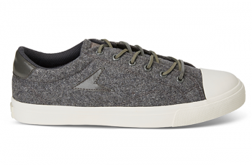
Style #
880-2301

 | Mens Blue Tone-on-Tone Low Top Wool
US SIZE |  | 5 | 5.5 | 6 | 7 | 7.5 | 8 | 9 | 10 | 11 | 12 | 13
EUROPEAN SIZE | 35 | 36 | 37 | 38 | 39 | 40 | 41 | 42 | 43 | 44 | 45 | 46 | Grand Total
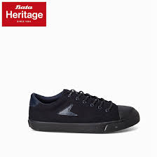
Qty |  | 14 | 28 | 41 | 42 | 68 | 93 | 120 | 120 | 80 | 40 | 12 | 658
Style #
880-9304

 | Mens Bata Hotshots White & Blue Low Top Canvas
US SIZE |  | 5 | 5.5 | 6 | 7 | 7.5 | 8 | 9 | 10 | 11 | 12 | 13
EUROPEAN SIZE | 35 | 36 | 37 | 38 | 39 | 40 | 41 | 42 | 43 | 44 | 45 | 46 | Grand Total
Qty |  | 0 | 0 | 13 | 17 | 29 | 52 | 75 | 84 | 50 | 20 | 1 | 341
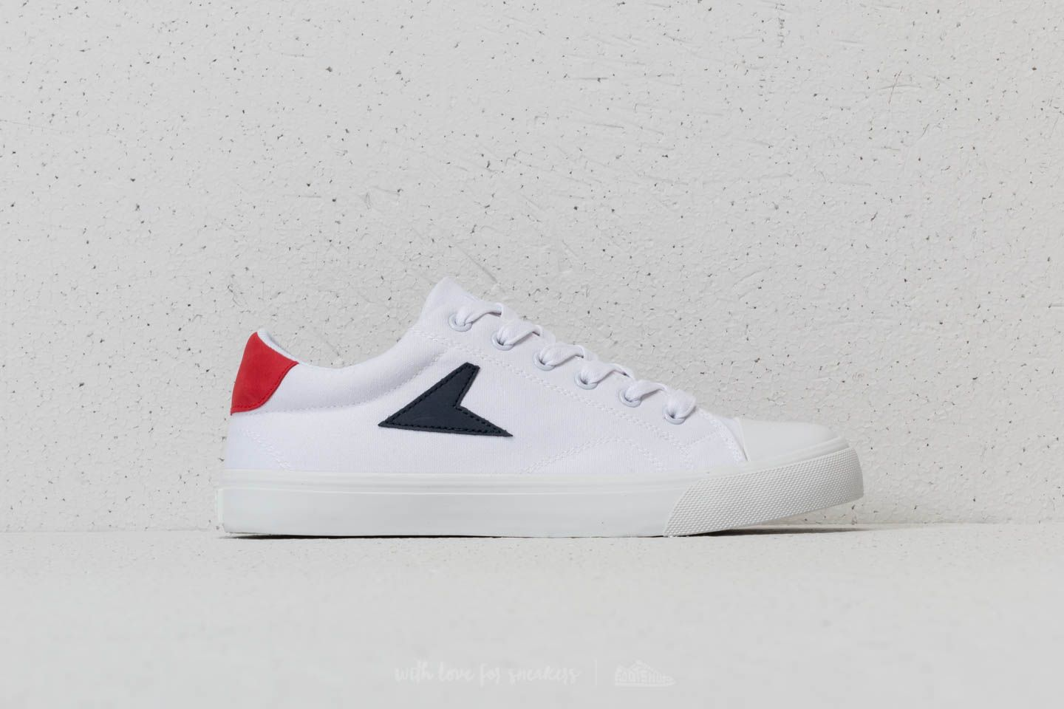
Style #
889-0304

 | Mens Red & Blue Low Top Canvas
US SIZE |  | 5 | 5.5 | 6 | 7 | 7.5 | 8 | 9 | 10 | 11 | 12 | 13
EUROPEAN SIZE | 35 | 36 | 37 | 38 | 39 | 40 | 41 | 42 | 43 | 44 | 45 | 46 | Grand Total
Qty |  | 13 | 25 | 44 | 44 | 50 | 53 | 68 | 76 | 51 | 22 | 2 | 448
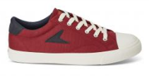
Style #
889-5301

 | Mens Black & Yellow Low Top Canvas
US SIZE |  | 5 | 5.5 | 6 | 7 | 7.5 | 8 | 9 | 10 | 11 | 12 | 13
EUROPEAN SIZE | 35 | 36 | 37 | 38 | 39 | 40 | 41 | 42 | 43 | 44 | 45 | 46 | Grand Total
Qty |  | 20 | 23 | 49 | 50 | 96 | 110 | 139 | 145 | 111 | 51 | 5 | 799
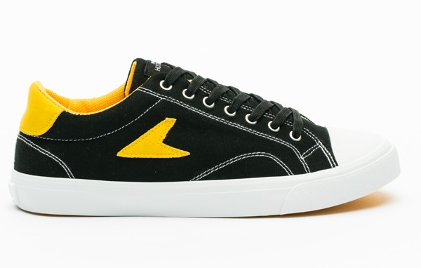
Style #
889-6303

 | Womens John Wooden Low Top Pink Logo Leather
US SIZE |  | 5 | 5.5 | 6 | 7 | 7.5 | 8 | 9 | 10 | 11 | 12 | 13
EUROPEAN SIZE | 35 | 36 | 37 | 38 | 39 | 40 | 41 | 42 | 43 | 44 | 45 | 46 | Grand Total
Qty |  | 37 | 78 | 130 | 141 | 91 | 33 | 0 | 0 | 0 | 0 | 0 | 510
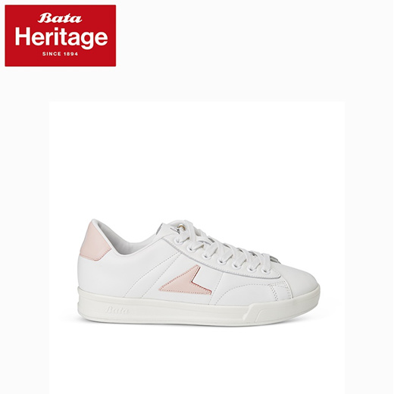
Style #
884-1401

 |  |  |  |  |  |  |  |  |  |  | TOTAL | 7799

